1. Title Page
[Project Name]

Project Name: Instacart Grocery Basket Analysis
Date:May 2025
Analyst Name: Chioma Jennifer Obikili

Contents:
Population Flow
Consistency checks
Wrangling steps
Column derivations
Visualizations
Recommendations

Data Citation:
Primary Dataset:
“The Instacart Online Grocery Shopping Dataset 2017,” originally available at www.instacart.com/datasets/grocery-shopping-2017.
Supplementary Dataset:
Additional customer data provided by CareerFoundry.

2. Population Flow
Title page

Population flow

Exclusion flag
Condition: max_order < 5
Obervations to be removed: 1440045
Final total count of order_products_all: 30959687

Orders_products_combined
Orders_products_merged
Orders_products_all

Total: 32399732
Total: 32434489
Total: 30959687

1.) The grey boxes in the first row of the population flow represent the original data sets as they were when you downloaded them. In the Total fields you need to add the count of the rows when you imported the data set into Jupyter.
2.) The second row of boxes (coloured) represents the data sets after you manipulated them, e.g., removed missing values and duplicates. In the Total fields you need to add the count of the rows after conducting these operations. This offers a visual oveview of how the data flows throughout the data consistency checks.
3.) The third row, where also the arrows are coloured, represents the merges you performed between the datasets. In the Total fields you need to add the count of the rows in the merged datasets, so that you end up with the final dataset (in the red box). Keep in mind the final dataset should be without exclusions (based on the exclusion flag).

3. Consistency checks
 |  |  |  | Title page
Consistency checks

Dataset | Missing values | Missing values treatment | Duplicates
orders | 206209 values in 'days_since_prior_order' column | were replaced with median of '7' | no duplicates found
products | 16 values in 'product_name' column | rows were removed | 5 duplicates removed
orders_products_prior | No missing values | NA | No duplicates
customers | No missing values | NA | No duplicates

4. Wrangling steps
 |  |  |  | Title page
Wrangling steps

Columns dropped | Columns renamed | Columns' type changed | Comment/Reason
 |  | order_id | changed to string
 |  | user_id | changed to string
 | order_dow |  | renamed
eval_set |  |  | not needed
 | Surnam to surname |  | for a uniform column
 | STATE to state |  | for a uniform column
 | Age to age |  | for a uniform column
 | First Name to first name |  | for a uniform column
 | Gender to gender |  | for a uniform column
 |  | first name | changed to string
first name |  |  | data protection (PII Data)
surname |  |  | data protection (PII Data)

5. Column derivations
 |  |  |  |  | Title page

Column derivations and aggregations

In this tab you should add tables below that the frequences of flags/label variables that you produced after deriving them. NB: don't do this for continuous variables, only for flags.
Dataset | Saved file | New column | Column/s it was derived from | Conditions
ords_prods_merge.pkl | ords_prods_merge.pkl | price_range_loc | prices | def price_label(row): if row['prices'] <= 5: return 'Low-range product' elif (row['prices'] > 5) and (row['prices'] <= 15): return 'Mid-range product' elif row['prices'] > 15: return 'High range' else: return 'Not enough data'

ords_prods_merge | ords_prods_merge.pkl | busiest_days | orders_day_of_week | result = [] for value in ords_prods_merge["orders_day_of_week"]:if value == 0: result.append("Busiest day") elif value == 4: result.append("Least busy") else: result.append("Regularly busy")
 |  |  |  | result = [] for value in df_ords_prods_merge["orders_day_of_week"]: if value in [0, 1]: # <-- this checks if value is either 0 or 1 result.append("Busiest days") elif value == 4: result.append("Least busy") else: result.append("Regularly busy") df_ords_prods_merge['Busiest days'] = result
 |  |  |  | result = [] for value in df_ords_prods_merge["orders_day_of_week"]: if value in [3, 4]: result.append("slowest days") elif value in [0, 1]: result.append("Busiest days") else: result.append("Regularly busy") df_ords_prods_merge['slowest days'] = result
ords_prods_merge | ords_prods_merge.pkl | busiest_period_of_day | order_hour_of_day | result = [] for value in df_ords_prods_merge["order_hour_of_day"]: if value in [10, 11, 14, 15, 13, 12]: result.append("Most orders") elif value in [2, 4, 3, 5, 1, 0]: result.append("Fewest orders") else: result.append("Average orders") df_ords_prods_merge['busiest_period_of_day'] = result
 | ords_prods_merge_new.pkl | day_of_week | orders_day_of_week | day_of_week = [] for value in df_ords_2['orders_day_of_week']: if value == 0: day_of_week.append('Saturday') elif value == 1: day_of_week.append('Sunday') elif value == 2: day_of_week.append('Monday') elif value == 3: day_of_week.append('Tuesday') elif value == 4: day_of_week.append('Wednesday') elif value == 5: day_of_week.append('Thursday') elif value == 6: day_of_week.append('Friday') df_ords_2['day_of_week'] = day_of_week

 | ords_prods_merge_new.pkl | top__hour | order_counts | def get_busiest_hours(order_counts_dict, top_n=5): sorted_hours = sorted(order_counts_dict.items(), key=lambda x: x[1], reverse=True) return sorted_hours[:top_n]
 |  |  |  | order_counts = { 10: 2764390, 11: 2738585, 14: 2691563, 15: 2664522, 13: 2663272, 12: 2620800, 16: 2537469, 9: 2456661, 17: 2089452, 8: 1719952, 18: 1637922, 19: 1259382, 20: 977017, 7: 891928, 21: 796362, 22: 634737, 23: 402612, 6: 290770, 0: 218942, 1: 115786, 5: 88057, 2: 69431, 4: 53283, 3: 51317 }
 |  |  |  | top_hours = get_busiest_hours(order_counts, top_n=5)
 |  |  |  | print("Top 5 busiest order hours:") for hour, count in top_hours: print(f"{hour}:00 - {count} orders")

ords_prods_merge | ords_prods_merge_new.pkl | loyalty_flag | max_order | df_ords.loc[df_ords['max_order'] > 40, 'loyalty_flag'] = 'Loyal customer'
 |  |  |  | df_ords.loc[(df_ords['max_order'] <= 40) & (df_ords['max_order'] > 10), 'loyalty_flag'] = 'Regular customer'
 |  |  |  | df_ords.loc[df_ords['max_order'] <= 10, 'loyalty_flag'] = 'New customer'
 |  |  |  | df_ords['loyalty_flag'].value_counts(dropna = False) #To use on the new dataframe

 |  |  |  | user_avg_price = df_ords.groupby('user_id')['prices'].mean()
 |  |  |  | df_ords = df_ords.merge(user_avg_price.rename('avg_price'), on='user_id')
 |  |  |  | df_ords.loc[df_ords['avg_price'] < 10, 'spending_flag'] = 'Low spender'
ords_prods_merge | ords_prods_merge_new.pkl | spending_flag | avg_price | df_ords.loc[df_ords['avg_price'] >= 10, 'spending_flag'] = 'High spender'
 |  |  |  | df_ords['spending_flag'].value_counts(dropna = False)

ords_prods_merge | ords_prods_merge_new.pkl | frequentcustomer_flag | median_days_since_prior_order | user_order_freq = df_ords.groupby('user_id')['days_since_prior_order'].median()
 |  |  |  | df_ords = df_ords.merge(user_order_freq.rename('median_days_since_prior_order'), on='user_id')
 |  |  |  | df_ords.loc[df_ords['median_days_since_prior_order'] > 20, 'order_frequency_flag'] = 'Non-frequent customer'
 |  |  |  | df_ords.loc[(df_ords['median_days_since_prior_order'] > 10) & (df_ords['median_days_since_prior_order'] <= 20), 'order_frequency_flag'] = 'Regular customer'
 |  |  |  | df_ords.loc[df_ords['median_days_since_prior_order'] <= 10, 'order_frequency_flag'] = 'Frequent customer'
 |  |  |  | df_ords['order_frequency_flag'].value_counts(dropna = False)

df_ords_large.pkl | df_ords_2.pkl | region | state | def get_region(state): northeast = [ 'Connecticut', 'Maine', 'Massachusetts', 'New Hampshire', 'Rhode Island', 'Vermont', 'New Jersey', 'New York', 'Pennsylvania' ] midwest = [ 'Wisconsin', 'Michigan', 'Illinois', 'Indiana', 'Ohio', 'North Dakota', 'South Dakota', 'Nebraska', 'Kansas', 'Minnesota', 'Iowa', 'Missouri' ] south = [ 'Delaware', 'Maryland', 'District of Columbia', 'Virginia', 'West Virginia', 'North Carolina', 'South Carolina', 'Georgia', 'Florida', 'Kentucky', 'Tennessee', 'Mississippi', 'Alabama', 'Oklahoma', 'Texas', 'Arkansas', 'Louisiana' ] west = [ 'Idaho', 'Montana', 'Wyoming', 'Nevada', 'Utah', 'Colorado', 'Arizona', 'New Mexico', 'Alaska', 'Washington', 'Oregon', 'California', 'Hawaii' ] if state in northeast: return 'Northeast' elif state in midwest: return 'Midwest' elif state in south: return 'South' elif state in west: return 'West' else: return 'Other'
 |  |  |  | df_ords_2['Region'] = df_ords_2['state'].apply(get_region)
 |  |  |  | spending_by_region = pd.crosstab(df_ords_2['Region'], df_ords_2['spending_flag']) print(spending_by_region)

df_ords_large.pkl | df_ords_2.pkl | activity_customer_level | max_order | activity_customer=[] for value in df_ords_2['max_order']: if value <5: activity_customer.append('Low-activity Customer') elif value >=5: activity_customer.append('High-activity Customer') else: activity_customer.append('Not enough information') df_ords_2['activity_customer_level']=activity_customer
 |  |  |  | df_ords_2['activity_customer_level'].value_counts(dropna = False)

df_ords_large.pkl | df_ords_2.pkl | age_group | age | age_groups=[] for value in df_ords_2['age']: if value <33: age_groups.append('Young adult') elif value >=33 and value <49: age_groups.append('Adult') elif value >=49 and value < 65: age_groups.append('Older adult') elif value >=65: age_groups.append('Senior') else: age_groups.append('Not enough information') df_ords_2['age_group']=age_groups
 |  |  |  | df_ords_2['age_group'].value_counts(dropna= False)

 | df_ords_2.pkl | Income_bracket | Income | income_bracket=[] for value in df_ords_2['income']: if value <96608: income_bracket.append('Low Income Customer') elif value >=96608 and value <127876: income_bracket.append('Middle Income Customer') elif value >=127876: income_bracket.append('High Income Customer') else: income_bracket.append('Not enough information') df_ords_2['Income_bracket']=income_bracket
 |  |  |  | df_ords_2['Income_bracket'].value_counts(dropna= False)

 | df_ords_2.pkl | parent_status | n_dependants | dependents=[] for value in df_ords_2['n_dependants']: if value <1: dependents.append('Single') elif value >=1: dependents.append('Parent') else: dependents.append('Not enough information') df_ords_2['parent_status']=dependents
 |  |  |  | df_ords_2['parent_status'].value_counts(dropna= False)

 | df_ords_2.pkl | department_name | department_id | department_name = [] for value in df_ords_2['department_id']: if value == 1: department_name.append('frozen') elif value == 2: department_name.append('other') elif value == 3: department_name.append('bakery') elif value == 4: department_name.append('produce') elif value == 5: department_name.append('alcohol') elif value == 6: department_name.append('international') elif value == 7: department_name.append('beverages') elif value == 8: department_name.append('pets') elif value == 9: department_name.append('dry goods pasta') elif value == 10: department_name.append('bulk') elif value == 11: department_name.append('personal care') elif value == 12: department_name.append('meat seafood') elif value == 13: department_name.append('pantry') elif value == 14: department_name.append('breakfast') elif value == 15: department_name.append('canned goods') elif value == 16: department_name.append('dairy eggs') elif value == 17: department_name.append('household') elif value == 18: department_name.append('babies') elif value == 19: department_name.append('snacks') elif value == 20: department_name.append('deli') elif value == 21: department_name.append('missing') else: department_name.append('Not enough information') df_ords_2['dep
 |  |  |  | department_counts = df_ords_2['department_name'].value_counts().sort_values(ascending=False)

6. Visualizations
 |  |  | Title page

Visualisations

In this tab you should include all the visualtions from Exercises 4.9 and 4.10, alongside the questions from the project brief that they answer. Include any commentary on the relationship between different variables.

 |  | ANSWERS
KEY QUESTIONS
The sales team needs to know what the busiest days of the week and hours of the day are (i.e., the days and times with the most orders) in order to schedule ads at times when there are fewer orders. |  | The highest number of orders occurs on Sunday and Monday, with Saturday following closely. In contrast, Wednesday and Tuesday see the lowest order volumes. Also, the busiest hours are 11am and 10am
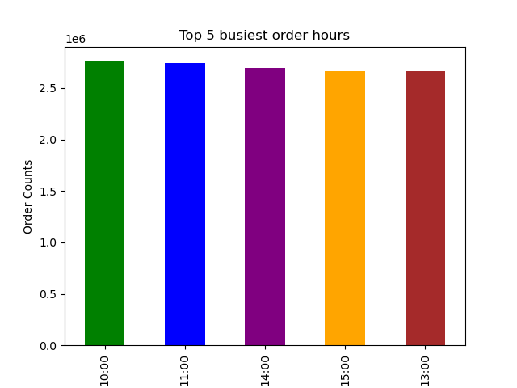

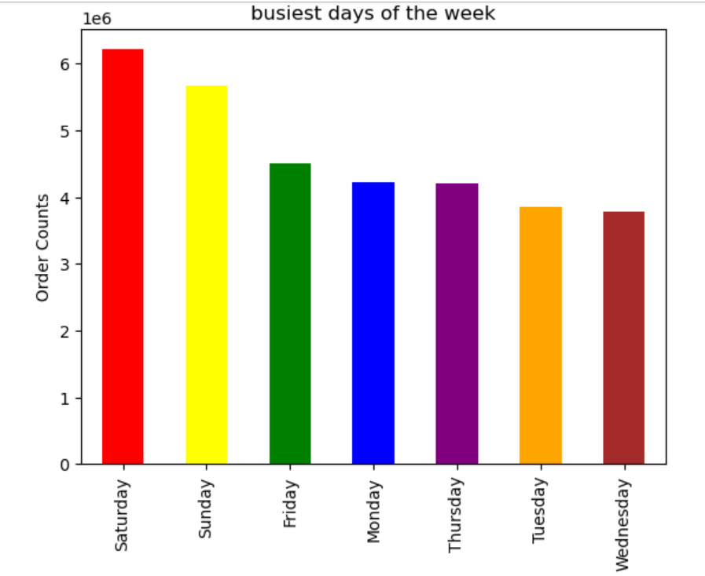

They also want to know whether there are particular times of the day when people spend the most money, as this might inform the type of products they advertise at these times.
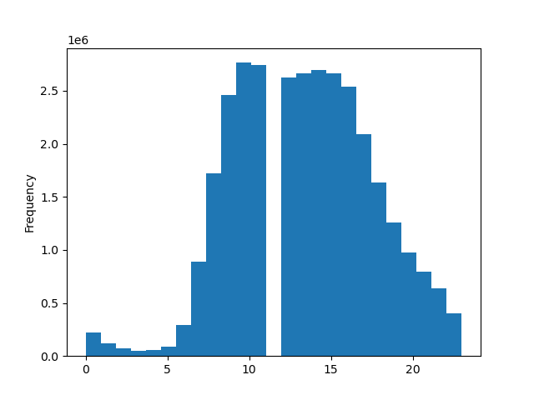

 |  | The histogram indicates that most orders are placed during the day, particularly between 9 AM and 5 PM, which aligns with typical working hours. In contrast, order activity is minimal at night, especially between midnight and 5 AM. Therefore, the optimal window for website maintenance would be between 3 AM and 4 AM, while the most effective time for advertising would be between 10 AM and 4 PM.

Instacart has a lot of products with different price tags. Marketing and sales want to use simpler price range groupings to help direct their efforts. |  | The data reveals a clear preference for mid-range products, which account for approximately 6.8 million orders, compared to 2.7 million for low-range items. This suggests that customers are more inclined toward mid-priced options, potentially due to perceived value or greater availability. It may also reflect a product mix or pricing strategy that emphasizes mid-range offerings. Also, very few products in the database are considered high-range products in terms of price

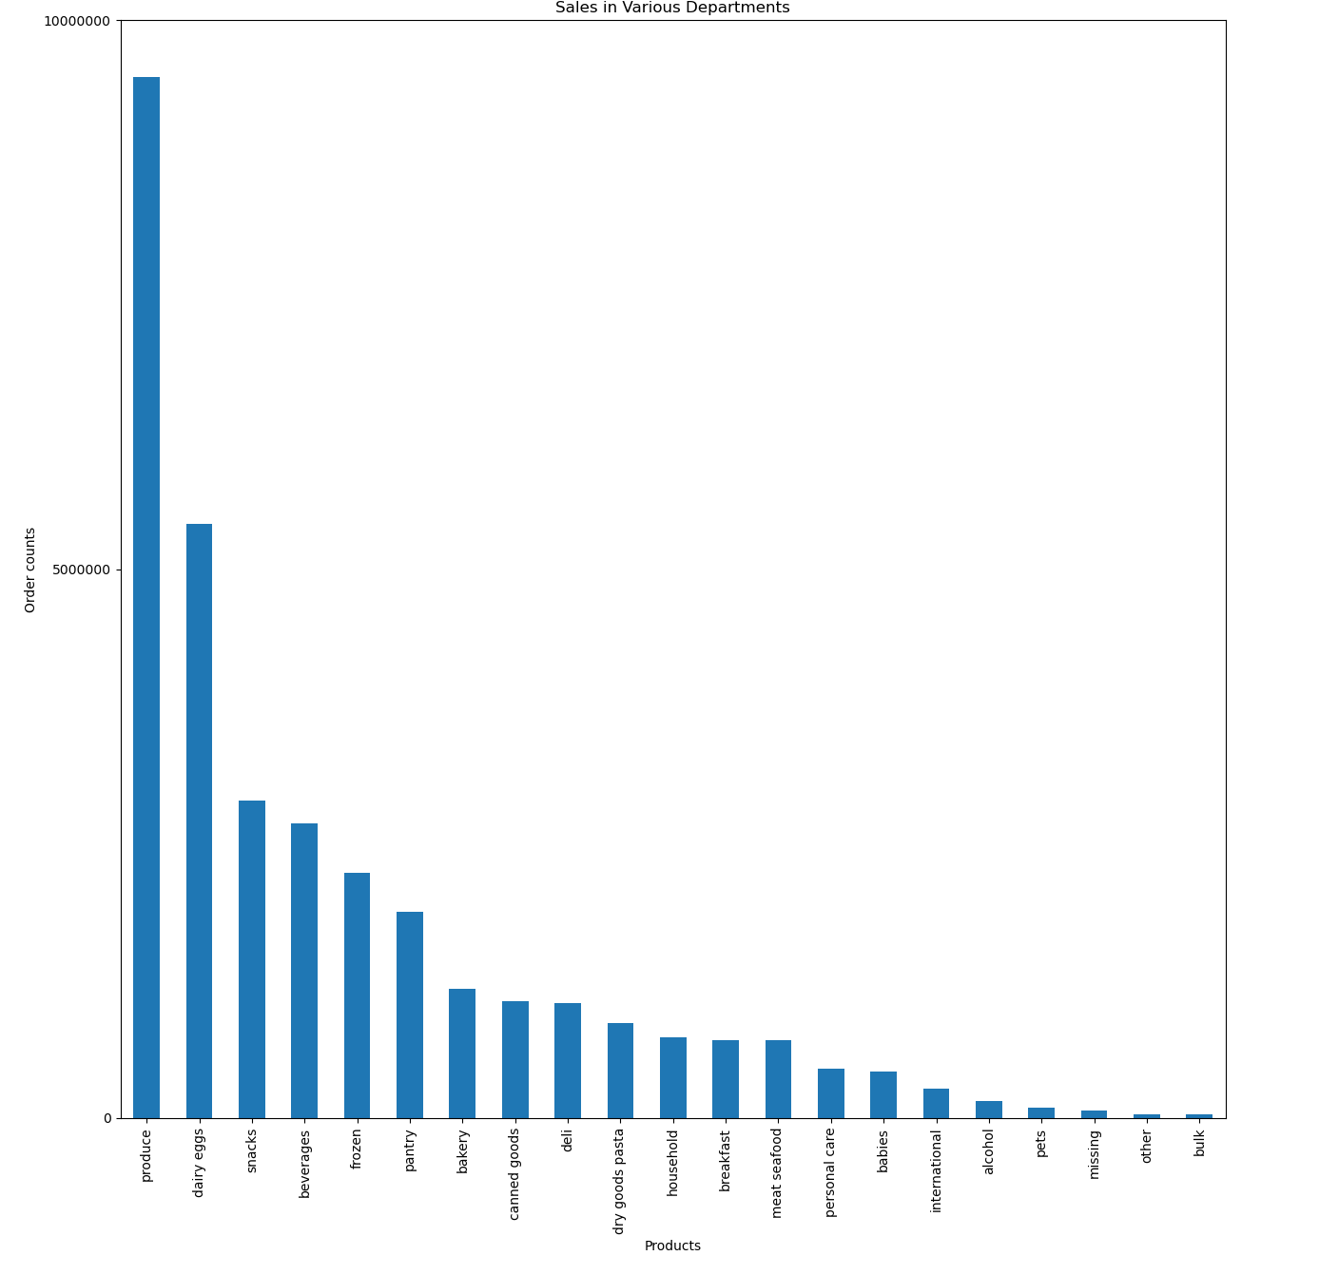
Are there certain types of products that are more popular than others? The marketing and sales teams want to know which departments have the highest frequency of product orders. |  | The highest number of purchased products comes from the produce department, followed by the dairy and eggs department. In contrast, the bulk and 'other' categories account for the fewest purchases.

Are there differences in ordering habits based on a customer’s region?
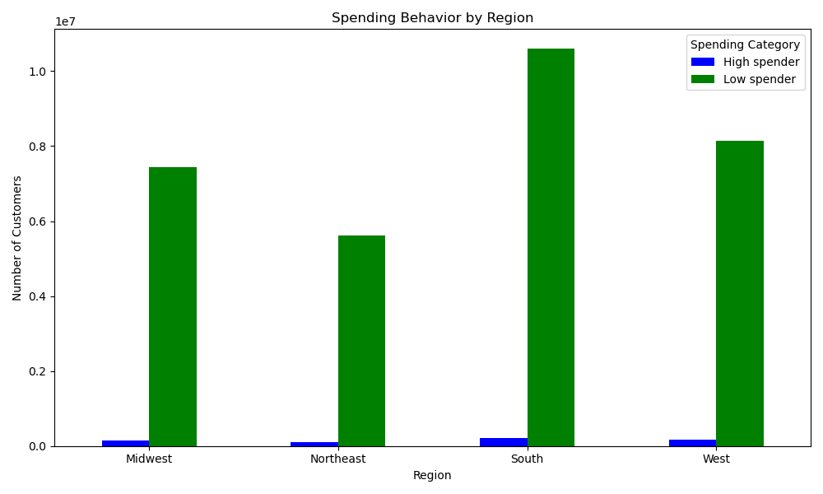

 |  | Most customers in every region are low spenders in terms of order, but the South has the largest number of both high and low spenders in terms of orders overall. The Northeast has the fewest high and low spenders compared to the other regions

What different classifications does the demographic information suggest? Age? Income? Certain types of goods? Family status?

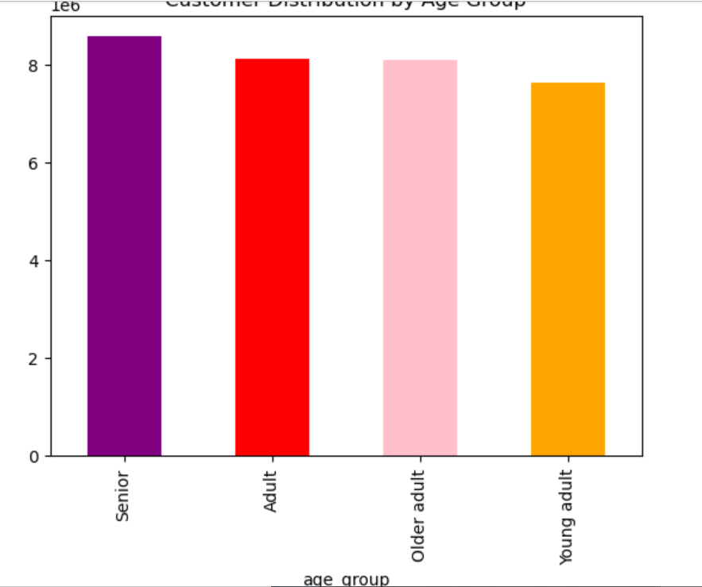
CUSTOMER DISTRIBUTION BY AGE GROUP

 |  | The data shows that seniors make the most purchases, followed closely by adults and older adults, with counts ranging from approximately 8.1 to 8.6 million. Young adults have the lowest number of purchases among the age groups, at around 7.6 million. This suggests that older age groups are more actively purchasing, which could be due to greater buying power, different shopping habits, or targeted marketing strategies.

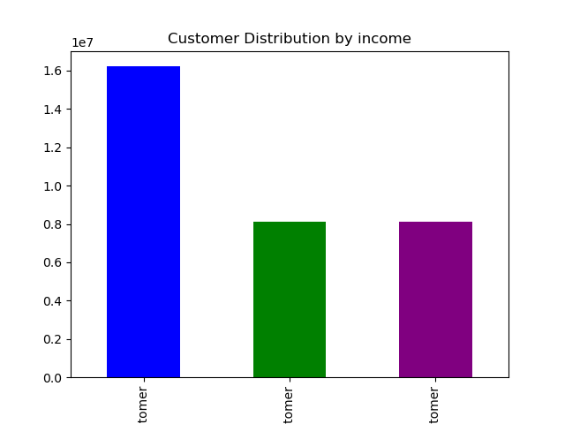
 |  | The data indicates that low-income customers make up the largest segment, with over 16.2 million purchases—roughly double the number of purchases made by high- and middle-income customers, who are nearly equal at around 8.1 million each. This suggests that low-income customers are the most active buyers, which may reflect a broader customer base in this bracket or a product range that is more appealing or accessible to them.

 | low income customer
 | high income customer
 | middle income customer

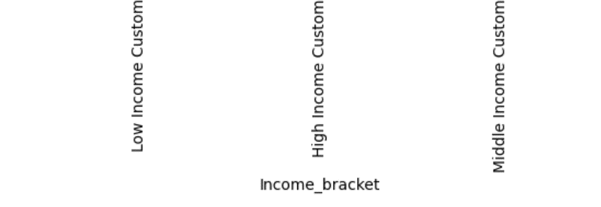

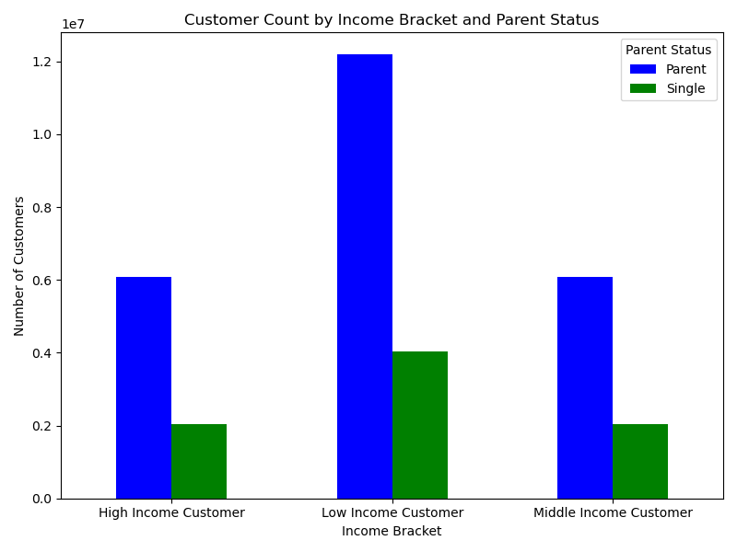

 |  | The data shows that across all income brackets, parents make significantly more purchases than single individuals. Low-income parents account for the highest number of purchases (over 12.1 million), followed by high- and middle-income parents (around 6 million each). In contrast, single customers, regardless of income level, consistently contribute fewer purchases—around 2 to 4 million per group. This suggests that parental status may be a stronger driver of purchasing behavior than income alone, possibly due to higher household needs.

7. Recommendations
 |  | Title page

Recommendations

In this tab you should include any recommendations you would made to Instcart in terms of their marketing strategy based on the questions posed in the brief. Every key question has been covered in the Tasks of the Exercises - here you need to add an item - a visualisation or table/crosstable that is showing the answer in the data, acompanied by a comment from you. Please, list the questions below and add the answer underneath.

Question | Answer
Key Question 1 | Based on the data, it’s recommended to prioritize staffing and inventory management for Sundays, Mondays, and Saturdays, as these are the busiest days for orders. Additionally, since peak activity occurs around 10 AM and 11 AM, ensuring optimal system performance and customer support availability during these hours could improve service quality. Marketing campaigns and promotions may also be most effective when scheduled for these high-traffic times.

Key Question 2 | This means the best time for website maintenance is between 3 AM and 4 AM, when traffic is lowest. Ads are likely to work best between 10 AM and 4 PM, when most people are active

Key Question 3 | Focus on mid-range products, since they’re clearly the most preferred by customers. You might also want to review your high-range offerings—if there are only a few, consider whether it’s worth adding more to attract higher-spending customers, or if it’s better to keep the focus on what’s working: the mid-range category.
Key Question 4 | Focus on strengthening the produce and dairy/eggs departments, as they generate the most sales. For the bulk and 'other' categories, consider analyzing whether expanding the product range or increasing marketing efforts could boost their performance.

Key Question 5 | Focus marketing and sales strategies on the South region, as it has the highest number of both high and low spenders. Since the Northeast has the fewest high and low spenders, it may be beneficial to explore targeted promotions or campaigns to boost customer engagement and spending in that area.

